BASIC CAFER 2pack
COD. BASIC CAFER 2pack

Colori / Taglie | S | M | L | XL | XXL | XXXL | Totale
Black - Black | 103 | 78 | 191 | 472 | 861 | 197 | 1902
black - mid grey | 838 | 511 |  |  | 1014 |  | 2363
dk red - royal |  |  |  |  | 613 |  | 613
lilla - black |  |  |  |  | 113 |  | 113
md grey - mel royal | 198 |  |  |  | 355 |  | 553
White - White | 27 |  | 62 | 291 | 319 | 126 | 825
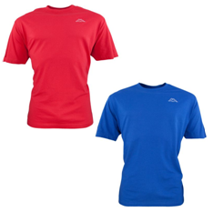
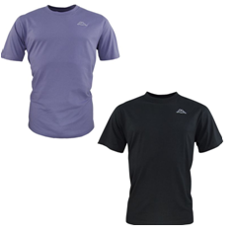
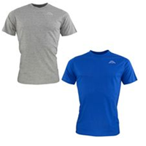
 |  |  |  |  |  |  | 6369

RED - ROYAL |  |  |  |  | LILLA - BLK |  |  | MD GRAY - MEL ROYAL
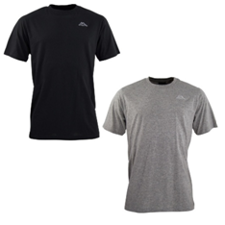
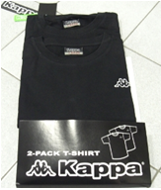
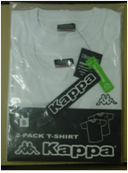

BLK - MID GRAY |  |  |  |  | BLK - BLK |  |  | WHITE - WHITE

